Sheet1


PES/VISA/009/05/23 |  |  |  |  |  |  |  | 2023-05-25

Attn: Mr. S. Talal.

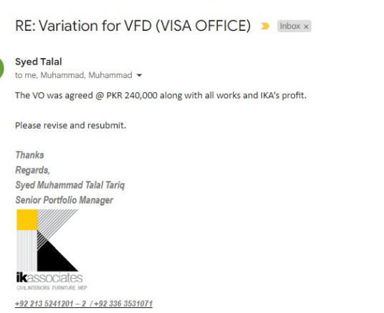
Variation order for Variable Frequency Drive - VISA OFFICE Dolmen Mall Clifton Karachi

S. # | Description | Material Rate | Labor Rate | Over Head profit 20% | Tax 7.5% | Unit | Qty | Amount
1 | Supply & installation of VFD 4kW (Make Schneider) | - | - | - | - | No. | 1 | 240,000
Total Amount Rs. |  |  |  |  |  |  |  | 240,000

Thanking you,

For PIONEER ENGINEERING SERVICES.

Bilal Habib

